FrontEnd Interview
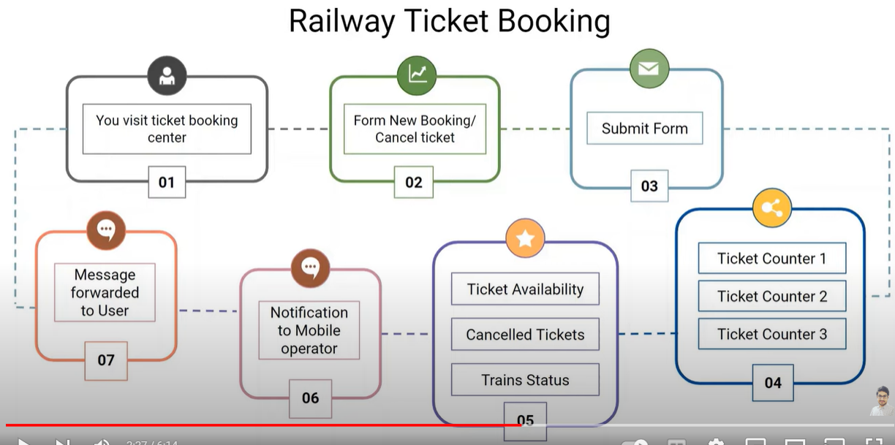
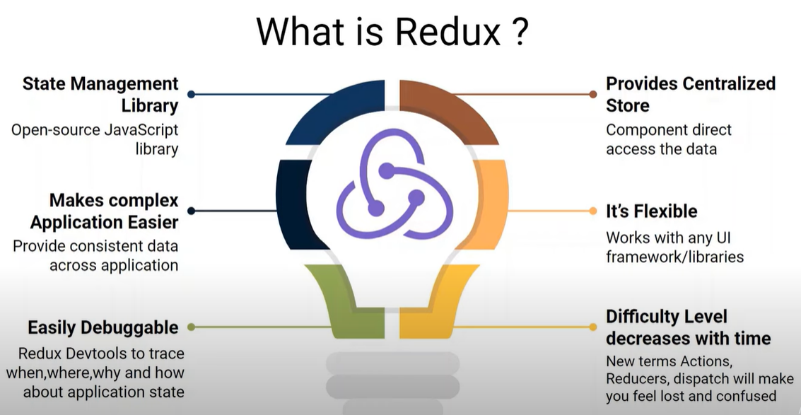
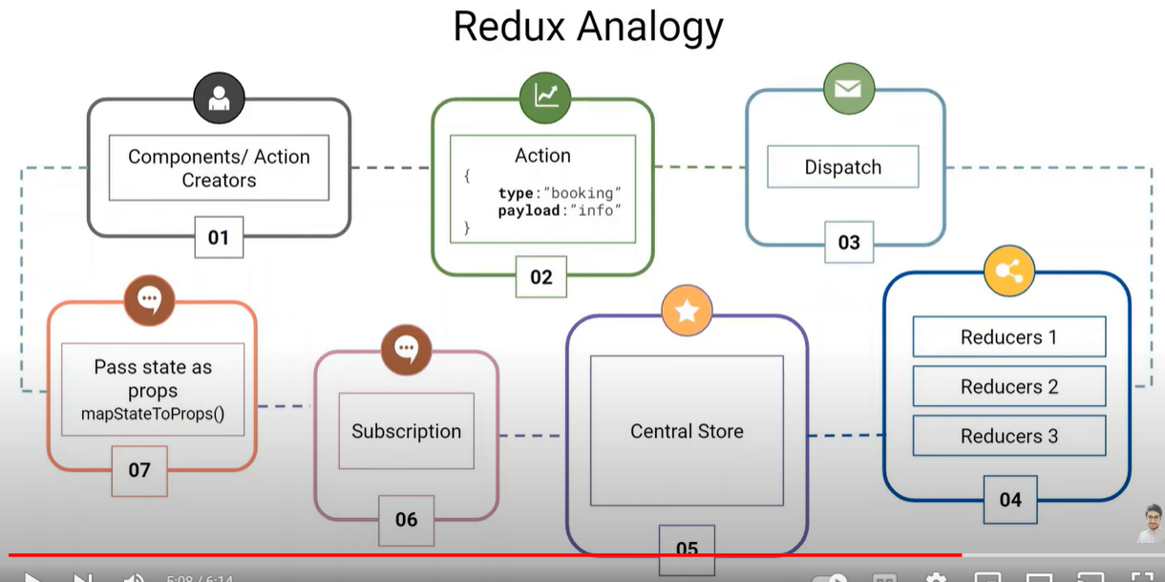
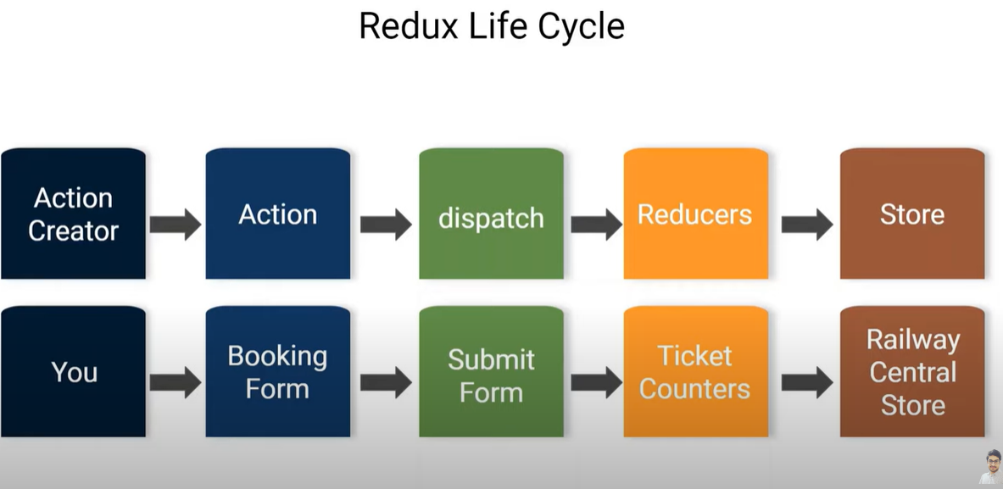
 | Good command on CSS3 - flexbox and grid Good command on EC6 -
Learnings:
Side Projects: | ToDo CRUD, Pagination
 | used pagination - show 10 items in a list: user can increase that as well
1. Add to Cart + Qty , Upload File + Search(get api) | used CRUD - item add / delete / update qty / delete
Item Added to Card + Count Qty = 2 different components
if I click on count qty then item component should not re-render
for class based, we use React.Memo() and for function useMemo()
use of redux can be explained here as well

made form to upload data
file upload in csv, and render on screen - allow CRUD operation
use of map and key
button click - disable unless all data is stored
useState e.target.value or useRef()
search item using get method - debouncing and throttling

depends what is the requirement
forEach or Map, filter, reduce

used Pagination to see list of items belong to this site

Reason: drawback - only internet explorer ko support krta hai QAD wants multiple browser support old ka basic UI tha and not much userfriendly |  |  | ES6
used redux as state management |  | 1. How do you authenticate users? login process? | reactjs - Hooks (projects)
Now planning for Customer and Supplier Portal |  | at the time of login, user create tokens and store at localstorage | redux -
but after acquisition, restrurcing happened and now whole developed went to poland team and they want me to again work on Warehousing applications |  | where do you store tokens in server side | Chakri UI - bitcoin
Since almost 2years, I am managing operations |  |  | projects
Techstack - Cando UI framework |  | Basic - password stored in db
 |  | Auth (id)
Agile methodology (Logi Analytics, Spark, Apache Cassandra) |  | SSO | CRUD - toDoList
 |  | QAD - filebased system - tomcat server - users auth | pagination - news/quotes
Write daily responsibilities here |  |  | search, filter - ecommerce
 |  |  | redux project
API - frontend wale API consume krte hai na ki create | ES6 | 2. How do you call APIs? Rest APIs or GraphQL | basics - cookies, sessionstorage, cache
how to effectively call API |  | REST endpoints bana liye hai - JSON
usememo reactquery fetchAPI | Event Bubbling - propagation from child to parent tags | khud ke new endpoints
 | Event Capturing - propagation from parent to child tags - very less used | legacy code ka wrapper bana rhe hai
Login Popup is not coming | Stop Propagation - event.stopPropagation();
validation changes | Immediate Propagation - event.stopImmediatePropagation();
 | Prevent Default - event.preDefault() - stop its natural JS engine | 3. Are we using Redux? because it is used with React.js and Angular
 |  | NgRx - framework used in Angular same like Redux in React.js
forms |  | follow principles to use it
button onclick={}
or
<form onSubmit={} |  | 4. how to make ajax calls from redux? - no we did not use that
<button type="submit">
 |  | 5. Exception handling
 |  | backend - customer class banayi hai based on module, we redirect to frontend
 |  | 404 aane ki bajai, proper error ayeyga in case of GET
how to make ajax calls from redux?
prop drilling
can we have multiple reducers in component | yes, how to implement that | 6. Application kispe build kiya hai ? example: spring, maven
how do you merge them - using combined reducer |  | building an application with spring
 |  | spring mvc
 |  | maven - build
What is DOM - structure of page having different tags and elements |  | docker - deployment hota hai,
 |  | future mein jenkins ki pipeline banaeyge
diff between single and multi page

elements - div |  | 7. kis component ke andr likhte ho ke konse env ko hit krna hai?
class components - props and state - immutable - we cannot change value |  | mein kis env mein kaam kr rha hoon
when we change state, we use class based components |  | source connection ye to ho dev env hai, sit env hai
render components again and again - we use functional |  | we set profile fir wo env ki configuration properties pick kr leta hai
react 16.8, we use hooks especially for updating state | before 16.8 we were passing state via props | we set profile in jenkins
exp: use drop down for printers, we use useState to open in multiple pages

 |  | 8. transporter is used for deployment
 |  | Manual deployment

 |  | 9

 |  | sprintboot
 |  | legacy (JSP) - new tech stack(angular, cando framework UI)
 |  | JSP - codebase

e-commerce project
checkout pdf page
orders
status returning
consignment
work order phase - routing

how do you authenticate users? login process
at the time of login, user create tokens and store at localstorage
where do you store in server side | we use postman, enter uid and pwd
how do you call APIs | if class based | if function based
connect react to redux | function connect(mapStateToProps?, mapDispatchToProps?, mergeProps?, options?) connect is a HOC | useSelector (to call redux and useDispatch(to store it)
Redux? Flow of Redux

Concepts
why should we use react.js | virtual dom - only diff element is render again instead whole structure |  | Best Practises | To kill existing running server on port 9900, you can run following command.
 | server side rendering |  | separate directory for components, styles etc
 | unidirectional data flow or data binding | but we can send data from child to parent via props | make reusable components | kill -9 $(lsof -t -i:9900)
 | reusable/composable UI components - class or functional | props ke andr function bhejna hai - state lifting | media folder - logo, images and videos
 | with reactjs, we can use javascript directly on html | useContext Hook also works | configuration - certificate authenicate ho rha hai na ke nhi, security
 | otherwise in html, we need to use script tag to use js |  | before doing anything on objects, we check if this object does not have null or undefined values
 | programming language, support jsx, same like html, but have js code in it |  | debug - install redux dev tools extension
 | single page application |  | debug - use border style before using any css tags
 | jsx has rule that every tag will be closed exp <img> tag need not to be closed in html but in reactjs it is mandatory |  | eventListeners should be removed after usage
Hooks |  |  | pehle manual data daalo and then make it dynamic
useState - store array, js functions like add, subtract
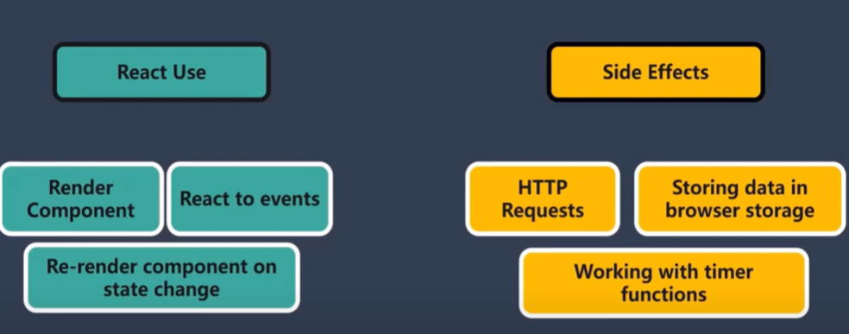
useEffect - especially used while fetching data from APIs | useEffect has automatic cleanUp function to avoid memory leakage To deal with side effects, we use useEffect
useContext - Send data from App to Last child component instead to all components (to avoid prop drilling) | context API - direct parent to c level component without passing props at each level createContext() provider consumer = too much lengthy and another is useContext Hook

useRef - find and select any element like we do with getElementByID
useReducer

Lazy Loading / Code Spiltting
import React, { Suspense } from 'react'; const OtherComponent = React.lazy(() => import('./OtherComponent.js')); function App() { return ( <div> <Suspense fallback={<div>Loading...</div>}> <OtherComponent /> </Suspense> </div> ); } export default App; | As our web app grows, the JavaScript bundle size increases. Thus when we ship our app to production, it'll have a slow initial page load because it takes a long time for the browser to download the JavaScript bundle. To avoid a larger JavaScript bundle, we can use 𝐂𝐨𝐝𝐞 𝐒𝐩𝐥𝐢𝐭𝐭𝐢𝐧𝐠. Code splitting allows us to create multiple bundles. It helps us 𝐥𝐚𝐳𝐲-𝐥𝐨𝐚𝐝 the things user currently needs, leading to better performance as we only load the code that the user requires. In React, there is a feature to support code splitting and lazy loading. React allows us to use dynamic imports on React components via the 𝐥𝐚𝐳𝐲() function. For the dynamically imported components, we can wrap them in the 𝐒𝐮𝐬𝐩𝐞𝐧𝐬𝐞 component to show a 𝐟𝐚𝐥𝐥𝐛𝐚𝐜𝐤 UI while we wait for the component to load.
only Home should trigger | Home | About | Contact
useMemo can be used

Destructing
const cars1 = [..."Manohar"]; document.getElementById("demo").innerHTML = cars1; | M,a,n,o,h,a,r
let language = "JavaScript"; let text = ""; for (let x of language) { text += x + "<br>"; } document.getElementById("demo").innerHTML = text; | for/of loop

Different Ways To fetch Data from API👇

1. using fetch API - promise returns resolve/reject | promise return krta hai jisko hume handle krna hota hai
2. using Async - await syntax | here we use try and catch to capture error
3. using Axios library | if using npm
4. using custom react hooks
5. Use React query library
6. using GraphQl API

ES6
Closures
const sum=function(a){ let c = 3; return function(b){ return a+b+c; } } const store = sum(1); // function is stored in store variable console.log(store(2));

Curring | Infinite Curring
function Addition(a){ return function(b){ return function(c){ return a+b+c; } } } let res = Addition(2)(2)(2); console.log(res); | function Addition(a){ return function(b){ if(b) return Addition(a+b); return a; } } console.log(Addition(2)(2)(3)(2)()); | userObj = { name: ""Manohar"", age: 30 } function userInfo(obj){ return function(userinfo){ return obj[userinfo]; } } let res = userInfo(userObj); console.log(res('name'));

Prototypes in JS - Same like inheritance
const obj = { name: "Manohar", getName: function(){ return this.name; } } const obj1 = { roll: 30, __proto__:obj } console.log(obj1.getName()) // Manohar console.log(obj1.name) // Manohar

Prototype - Array to Object
const cities = ["Delhi", "Mumbai", "Pune"]; console.log(cities); Array.prototype.ArrayToObject = function(){ newObj = {}; this.forEach(element => { newObj[element] = element; }) return (newObj); } console.log(cities.ArrayToObject())

Call, Apply, Bind | call one time bind - multiple time reuse | bind - function ko call kro, store kro and then usko kbhi bhi call kro when needed
call pass argument
apply - pass arguments in an array
Memoization | Same like useMemo hook
Save input and output in cache
let sum = 0; const calc = (n) => { for (i = 0; i <= n; i++) { sum = sum + i; } return sum; } const memoize = (func) => { let cache = {}; return function (...args) { let n = args[0]; if (n in cache) { console.log("cache"); return cache[n]; } else { console.log("first time"); let result = func(n); cache[n] = result; return result; } } } console.time(); const out = memoize(calc); console.log(out(3)); console.timeEnd();

Error Boundary | Error boundaries were introduced in React 16 as a way to catch and handle JavaScript errors that occur in the UI parts of our component. So error boundaries only catch errors that occur in a lifecycle method, render method, and inside Hooks like useEffect. error boundaries only handle errors in the parts of our code that involve React. ---- Optional: According to the React documentation, error boundaries do not handle errors in: Event handlers Asynchronous code (e.g., setTimeout or requestAnimationFrame callbacks) Server-side rendering Errors thrown in the error boundary itself (rather than its children) ----- To create an error boundary, we simply have to create a class component and define a state variable for determining whether the error boundary has caught an error. Our class component should also have at least three methods: A static method called getDerivedStateFromError, which is used to update the error boundary’s state A componentDidCatch lifecycle method for performing operations when our error boundaries catch an error, such as logging to an error logging service A render method for rendering our error boundary’s child or the fallback UI in case of an error
static getDerivedStateFromError(error) | while displaying data, it captures error which component is giving that error
componentDidCatch(error,info) | or use import { useErrorHandler } from 'react-error-boundary'
App.js | ShowComment.js | ErrorBoundary.js | Limitations
import React, { useState } from 'react' import ErrorBoundary from './ErrorBoundary'; import ShowComment from './ShowComment' function App() { const [comments, setComments] = useState([ { id: 1, comment: "Manohar" }, { id: 2, comment: "Good Work" }, { id: 3, comment: "Surbhi" } ]); return ( <> {comments.map((cmt) => <ErrorBoundary> <ShowComment comment={cmt.comment} /> </ErrorBoundary> )} </> ) } export default App | import React from 'react' function ShowComment(props){ if(props.comment==="Good Work") throw new Error("You got an error") return ( <div>{props.comment}</div> ) } export default ShowComment | import React, { Component } from 'react' class ErrorBoundary extends Component { constructor(props) { super(props); this.state = { hasError: false } } static getDerivedStateFromError(error) { return { hasError: true }; } render() { if (this.state.hasError) return ( <h1>"You got an error"</h1>) return ( <div>{this.props.children}</div> ) } } export default ErrorBoundary; | 1. Errors in Event Handlers - so we use try and catch methiod here 2. Async code such as setTimeout 3. Error from the ErrorBoundary itself

HOC - High Order Component | https://www.youtube.com/watch?v=T-ikEWSQn20&t=439s
Function takes component as a parameter & return new component | function HigherOrderComp(){ function HComp(){ return < /> } }
Use of HOC: share same logic among different components
Example:
increment logic is written in HOC | loading logic during fetch data
2 components using increment
export default HOC(IncrementOne)
export default HOC(IncrementTwo)
All increment logic is written in HOC - data is passed to both comp via props

Importance of Keys
Explaination starts from Diffiing Alogorithm
Conclusion: Virtual and Real compares node by node
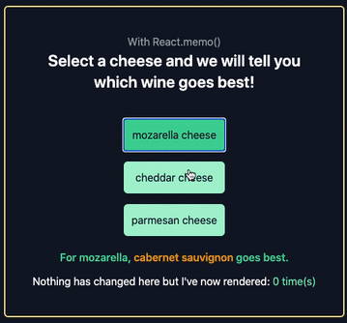
If any tag differs then whole component re-renders
problem occours if item is added in beginning in li tag
to avoid this situation, we use keys
Usage: CRUD operation

React.Memo and useMemo()
https://blog.logrocket.com/react-memo-vs-usememo/

React.memo has same representation as HOC | export default HOC component(child component)

"React.memo() was released with React v16.6. While class components already allowed you to control re-renders with the use of PureComponent or shouldComponentUpdate, React 16.6 introduced the ability to do the same with functional components. React.memo() is a higher-order component (HOC), that takes a component as a prop and returns a component that prevents a component from re-rendering if the props (or values within it) have not changed. We’ll take the same example above but use React.memo() in our <Counts /> component. All we need to do is wrap our <Counts /> component with React.memo() like below:"

useMemo() Hook | useMemo() | useCallback()
memoization - cache is a JS concept to improve performance | return memoized value | return memoized function
useMemo and useCallback to improve performance | useMemo result ko cache mein khud store kr leta hai | useCallBack poore function ko cache mein store kr leta hai
useMemo - reactjs concept stop re-rendering | runs only if its dependencies changes | example of ajay suneja: parentj.js - child component , one button doing increment counter child.js - having some other functionality: export default memo(child) also in parent.js if click in increment, child will be called, to stop that use we use callback in function

UseRef and useState | Consider a simple Form where you collect some data. Consider you have 2 fields 𝘶𝘴𝘦𝘳𝘕𝘢𝘮𝘦 and 𝘶𝘴𝘦𝘳𝘈𝘥𝘥𝘳𝘦𝘴𝘴. Now one way is to maintain the 2 state variables like userName and userAddress using 𝘶𝘴𝘦𝘚𝘵𝘢𝘵𝘦() hook and update those variables on every keystroke (e.target.value) If we want that data to be processed only when the form is submitted then rather than maintaining 2 variables and updating them on every keystroke, you can maintain 2 reference pointers using 𝘶𝘴𝘦𝘙𝘦𝘧() 𝘩𝘰𝘰𝘬𝘴. Now when the form is submitted you can access the form fields value using 𝘳𝘦𝘧.𝘤𝘶𝘳𝘳𝘦𝘯𝘵.𝘷𝘢𝘭𝘶𝘦
import React, {useRef} from 'react'

const App = () => {

const userNameRef = useRef();
const userAddressRef = useRef();

const handleSubmit= (e) =>{
e.prevent.Default();
console.log(userNameRef.current.value);
console.log(userAddressRef.current.value);
};
return (
<form onSubmit={handleSubmit}>
<input type ="text" ref={userNameRef} />
<input type ="text" ref={userAddressRef} />
<input type="submit" />
</form>
)
}

export default App

How to handle async operation
callback - function ke andr function - difficul to call 2nd internal func promises - resolve, reject async await - ES6 | in callback, parent function also renders to render child function

Optimization Techniques

 | React.profiler
Code Splitting (destructuring) / Lazy loading - display on demand
useEffect - return clearSettime eventListeners
useMemo and useCallback - improve performance
Debouncing and Throttling

exp: consider a button inside div
Event Bubbling - propagation from child to parent tags
Event Capturing - propagation from parent to child tags - very less used
Stop Propagation - event.stopPropagation();
Immediate Propagation - event.stopImmediatePropagation();
Prevent Default - event.preDefault() - stop its natural JS engine | button onclick={} or <form onSubmit={} <button type="submit">

component lifecycles | componentDidMount : first time rendering - useEffect
in class, we use render method | componentDidUpdate : whenever state gets changed - useState
in functional - no render method - stateless - hooks | componentWillUnmount

Controlled vs uncontrolled components react js |  | Controlled Components | Uncontrolled Components
In a controlled component, form data is handled by a React component. | onchange = {e.target.value} | Controlled components are forms that are handled entirely by a React component and a hook called useState | Uncontrolled components are controlled by the DOM instead of an individual component.
The alternative is uncontrolled components, where form data is handled by the DOM itself. |  | useState is a hook that automatically refreshes the application whenever a change is made to its state variable (prop). | Uncontrolled components use the useRef attribute. You can use useRef as a way to access values from the DOM.
To write an uncontrolled component, instead of writing an event handler for every state update, you can use a ref to get form values from the DOM. | const input = useRef(); const handleClick = (e) => { e.preventDefault() setName(input.current.value); } <input type = "text" ref= {input} /> | Form elements become controlled elements once the value is set to a prop. | We first bring in the useRef hook then we use a ref attribute in our JSX to give the current value to our ref variable.
 | We can use useState as well | It will track every change done to the form (every input down to the letter) | This gives us access to the submitted form information.

Cookies & SessionStorage

created at server side, stored at client side | showing ads - because of adSense - based on history
sessionID stored in client machine - cookies are used to identify users | so delete search history
wesbite walo ne kya action kr rkhe hai - last page visit, last item viewed
login in facebook and delete cookies apne aap logout ho jaeyeyga
size of cookie - 4 kb
 | Commands
Session Storage | sessionStorage.setItem("key", "value"); | To store arrays or objects, you would have to convert them to strings. To do this, we use the JSON.stringify() method before passing to setItem().
http is stateless | let lastname = sessionStorage.getItem("key"); | This returns a string with value as: “{“name”:”Obaseki Nosa”,”location”:”Lagos”}” To use this value, you would have to convert it back to an object. by using JSON.parse() method, which converts a JSON string into a JavaScript object.
if maintain state among pages, then use session | sessionStorage.removeItem("key");
session made at server end | sessionStorage.clear();
that's why we are able to logout

Browser has a feature of local storage and session storage
session storage -browser open - data there, browser closed - data gone
but data remains there in local storage

JWT - JSON Web Token
combination of
Header - Algo,
Payload - Userid and Pwd
Verify Signature - Secret Key

If having more than one server, then comes Apache Load Balancer
Balancer sends request to that server where request load is less
stored in sessionstorage/cache (now used)
cache - destroy automatically on browser closed

When logged in, gives us unique auth token, now I want to call 2 api, to auth again without uid and pwd, we use JWT
uid and pwd can't be stored in browser - becoz of security

SASS / CSS
SASS is a CSS preprocessor or called CSS superset
1. We can write variables
2. Write CSS like programming language exp if else, inline comment, functions etc
3. Split your sass into multiple smaller modules and import when needed making it readable code and less maintenance required While you can also use import with traditional CSS but each import will cause an extra HTTP request to your server which is not good whereas SASS will be compiled and processed into single CSS file
4. Allow inherit concept - use keyword extend to inherit properties from another class, id or tag

async defer in js
<script src="demo_defer.js" defer></script>
The defer attribute is a boolean attribute. Note: There are several ways an external script can be executed: If async is present: The script is downloaded in parallel to parsing the page, and executed as soon as it is available (before parsing completes) If defer is present (and not async): The script is downloaded in parallel to parsing the page, and executed after the page has finished parsing If neither async or defer is present: The script is downloaded and executed immediately, blocking parsing until the script is completed Note: The defer attribute is only for external scripts (should only be used if the src attribute is present).
HTML5/CSS3
relative - relative to its original positon
absolute - relative to nearest positioned ancestor (instead of positioned relative to the viewport, like fixed):
float - element will lose its original position

@media screen and (max-width: 480px) { | Laptop and Tab - viewport
body {
background-color: lightgreen;
}
}

Saga vs Thunk
Thunk is based on promises
Saga is based on generator function
Saga | generator function and yield will run whatever is inside it
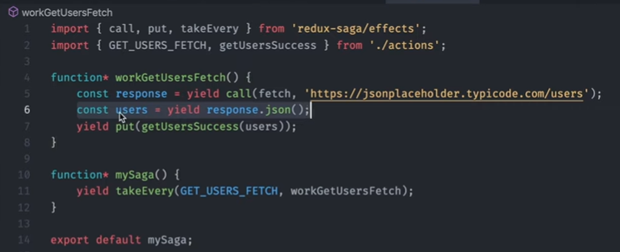

Thunk
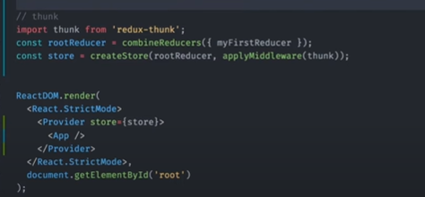
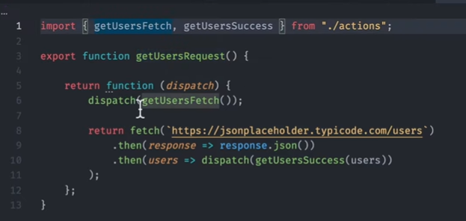

How to convert Class Component to Functional Component with Hooks in React js

1. Change the class to a function.
2. Remove the render method.
3. Convert all methods to functions.
4. Remove references to this.
5. Remove constructor.
6. Remove event handler bindings.
7. Replace this.setState.
8. useEffect for state update side effects.

Deep Copy vs Shallow Copy: Deep shallow or shallow deep

Shallow Copy:
Two Objects: Employee and newEmployee var newEmployee = employee; // Shallow copy
it is seen that when the name of newEmployee is modified, it is also reflected for the old employee object. This can cause data inconsistency. This is known as shallow copy. The newly created object has the same memory address as the old one. Hence, any change made to either of them changes the attributes for both. To overcome this problem, deep copy is used. If one of them is removed from memory, the other one ceases to exist. In a way the two objects are interdependent

Deep Copy:
deep copy makes a copy of all the members of the old object, allocates separate memory location for the new object and then assigns the copied members to the new object. In this way, both the objects are independent of each other and in case of any modification to either one the other is not affected. Also, if one of the objects is deleted the other still remains in the memory. Now to create a deep copy of an object in JavaScript we use JSON.parse() and JSON.stringify() methods.

State vs Prop
Props and state are related. The state of one component will often become the props of a child component. Props are passed to the child within the render method of the parent as the second argument to React.createElement() or, if you're using JSX, the more familiar tag attributes. <MyChild name={this.state.childsName} /> The parent's state value of childsName becomes the child's this.props.name. From the child's perspective, the name prop is immutable. If it needs to be changed, the parent should just change its internal state: this.setState({ childsName: 'New name' }); and React will propagate it to the child for you. A natural follow-on question is: what if the child needs to change its name prop? This is usually done through child events and parent callbacks. The child might expose an event called, for example, onNameChanged. The parent would then subscribe to the event by passing a callback handler. <MyChild name={this.state.childsName} onNameChanged={this.handleName} /> The child would pass its requested new name as an argument to the event callback by calling, e.g., this.props.onNameChanged('New name'), and the parent would use the name in the event handler to update its state. handleName: function(newName) { this.setState({ childsName: newName }); }

Hoisting
ReferenceError: Cannot access 'number' before initialization while this new error says ReferenceError: number2 is not defined.
It means JS engine finds let variable but it is not initialised
let/const variables are hoisted but not accessible: it's called the Temporal Dead Zone.

